Indices

 | Iraq Stock Exchange
 | Bulletin No (231)

 | ISX Trading Indices of Wednesday 24/12/2025

 | Traded Volume and OTC |  | 2,280,241,375 |  | Traded Value and OTC |  | 2,724,095,890 |  | Traders | 1110

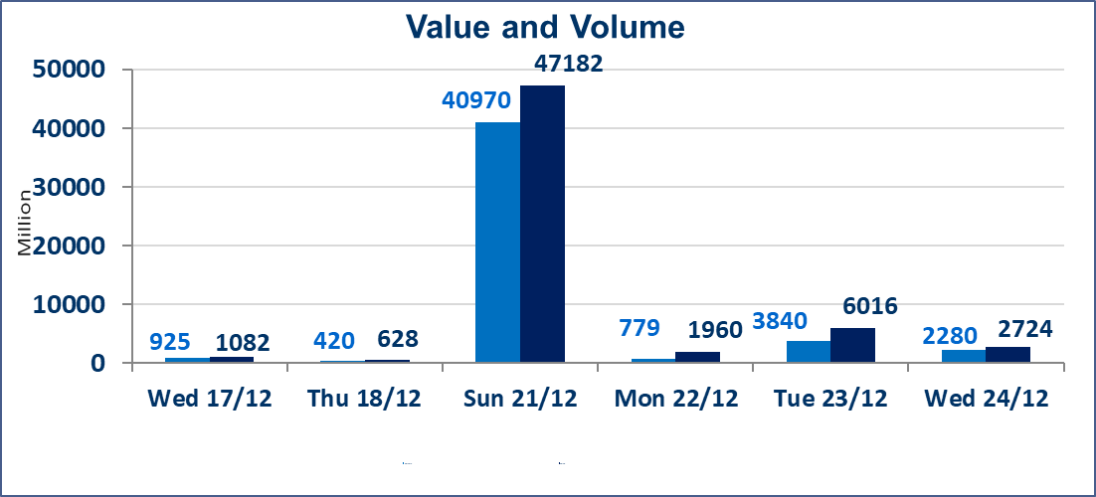
 | ISX Index 60 |  |  | 988.42 | ISX Index 15 |  |  | 1205.37
 | Previous ISX Index60 |  |  | 976.80 | Previous ISX Index15 |  |  | 1186.73
 | Change % |  |  | 1.19 | Change % |  |  | 1.57
 | Change |  |  | 11.62 | Change |  |  | 18.64

 | Listed Companies | 104 | OTC | 15 | Non Traded listed | 41 | OTC | 12
 | Traded Listed Companies | 47 | OTC | 2 | Higher Companies |  |  | 19
 | GAM Companies |  |  | 6 | Lower Companies |  |  | 13
 | Suspended Companies |  |  | 10
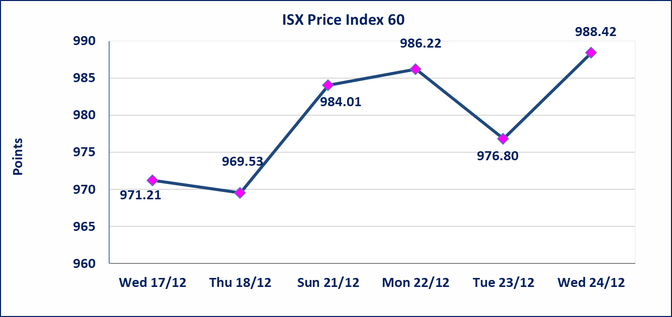
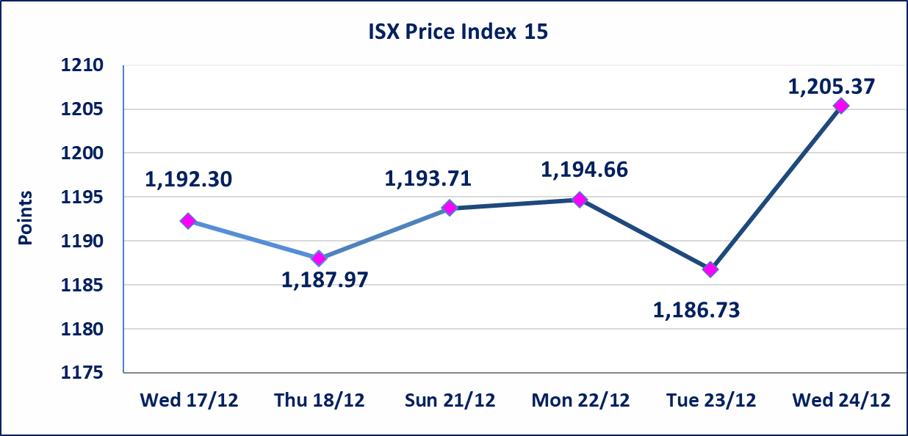

Al-Alwiya P.O . 3607 Mobile: 07711211522 - 07270094594 - 07834000034 E-mail: info-isx@isx-iq.net Web site:www.isx-iq.net

Top 5
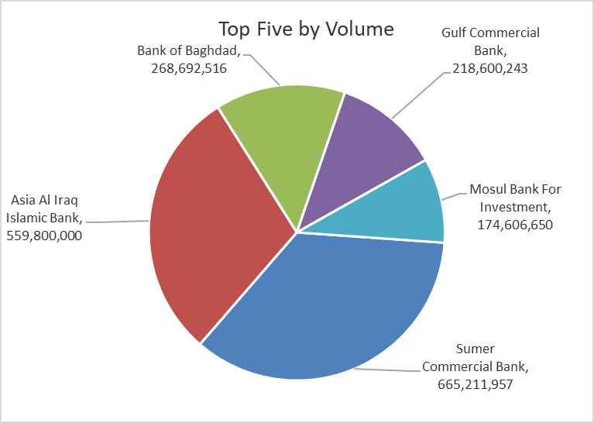
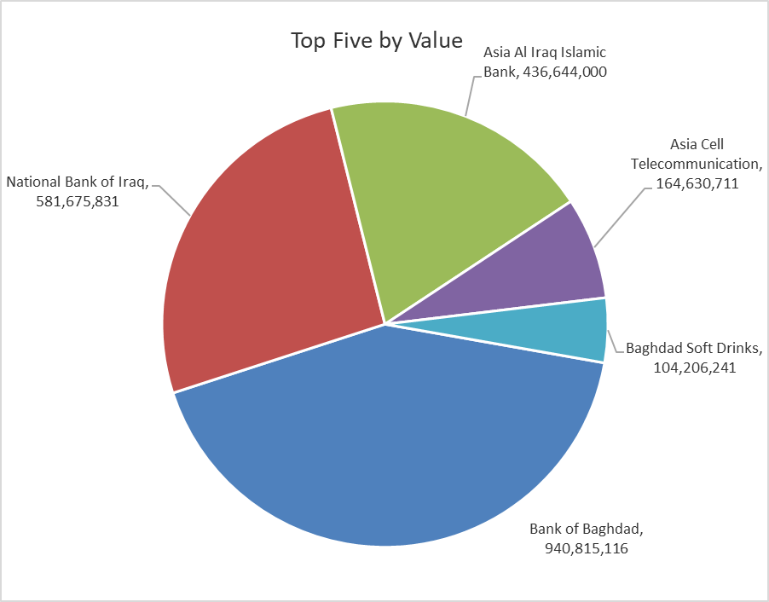
ISX top ganing and losing companies
Wednesday 24/12/2025
 | Gainers |  |  |  | Losers
 | Company Name | Closing Price | Change (%) | Traded Volume | Company Name | Closing Price | Change (%) | Traded Volume
 | Ashur International Bank | 0.320 | 10.34 | 95,145,000 | Babil Animal & Vegetable Production | 0.360 | -10.00 | 924,626
 | Iraqi Engineering Works | 5.500 | 10.00 | 200,000 | Al-Khatam Telecom | 3.050 | -7.29 | 1,875,254
 | Al-Ataa Islamic Bank | 0.110 | 10.00 | 949,773 | Mosul Bank For Investment | 0.150 | -6.25 | 174,606,650
 | Sumer Commercial Bank | 0.140 | 7.69 | 665,211,957 | Electronic Industry | 2.420 | -4.72 | 419,670
 | National Bank of Iraq | 4.900 | 6.29 | 121,231,820 | Al -Khazer Construction Materials | 1.270 | -4.51 | 652,020
 | The most active companies in term of traded volume and value

 | Traded Volume |  |  |  | Traded Value
 | Company Name | Closing Price | Change (%) | Traded Volume | Company Name | Closing Price | Change (%) | Traded Value
 | Sumer Commercial Bank | 0.140 | 7.69 | 665,211,957 | Bank of Baghdad | 3.540 | 4.12 | 940,815,116
 | Asia Al Iraq Islamic Bank | 0.780 | 0.00 | 559,800,000 | National Bank of Iraq | 4.900 | 6.29 | 581,675,831
 | Bank of Baghdad | 3.540 | 4.12 | 268,692,516 | Asia Al Iraq Islamic Bank | 0.780 | 0.00 | 436,644,000
 | Gulf Commercial Bank | 0.290 | 0.00 | 218,600,243 | Asia Cell Telecommunication | 13.200 | 0.00 | 164,630,711
 | Mosul Bank For Investment | 0.150 | -6.25 | 174,606,650 | Baghdad Soft Drinks | 5.810 | 1.04 | 104,206,241

OTC

Iraq Stock Exchange

Wednesday 24/12/2025
OTC Platform Trading Bulletin No (231)
Company Name | Code | highest price | lowest price | Average price | No.of Trades | Traded Volume | Traded Value
Banks Sector
Al-Warka Bank | BWAI | 0.080 | 0.080 | 0.080 | 4 | 18,000,000 | 1,440,000
Total Of Banks Sector |  |  |  |  | 4 | 18,000,000 | 1,440,000
Industrial Sector
Kirkuk producing constructional materials | IKFP | 3.350 | 3.350 | 3.350 | 4 | 7,060,000 | 23,651,000
Total Of Industrial Sector |  |  |  |  | 4 | 7,060,000 | 23,651,000
Total |  |  |  |  | 8 | 25,060,000 | 25,091,000

Not Trading OTC Companies
Company Name |  |  | Code |  | Previous Average price
Banks Sector
Al-Sanam Islamic Bank |  |  | BSAN |  | 3.000
Hammurabi Commercial Bank |  |  | BHAM |  | ـــــــــــــــــــــــــــــــــــ
Money Service Sector
Rabee Securities |  |  | FRSE |  | 9.500
Karmal Brokerage |  |  | FKSX |  | 10.000
Ishtar Gate for e-Paymant |  |  | FISH |  | 1.000
Sama Baghdad Exchange |  |  | FSBE |  | ـــــــــــــــــــــــــــــــــــ
Iraqi Deposit Insurance Corporation |  |  | FIDI |  | ـــــــــــــــــــــــــــــــــــ
Insurance Sector
Elaf Insurance |  |  | NELF |  | ـــــــــــــــــــــــــــــــــــ
Kurdistan Insurance |  |  | NKUI |  | ـــــــــــــــــــــــــــــــــــ
Al Badia Insurance |  |  | NBAD |  | ـــــــــــــــــــــــــــــــــــ
Shatt Al Arab Insurance |  |  | NSHA |  | 1.000
Dilina Insurance Company |  |  | NDIL |  | ـــــــــــــــــــــــــــــــــــ

Non Iraqis

Iraq Stock Exchange
Non Iraqis' Bulletin Wednesday Dec 24 2025
Regular Market

Non Iraqi Trading of Regular Market (Buy)
Company Names | Code | No.of trades | Traded Shares | Trading Volume
Banks Sector
National Bank Of Iraq | BNOI | 16 | 4,700,000 | 22,609,145
Gulf Commercial Bank | BGUC | 22 | 150,000,000 | 43,500,000
Total Bank sector |  | 38 | 154,700,000 | 66,109,145
Grand Total |  | 38 | 154,700,000 | 66,109,145

Non Iraqi Trading of Regular Market (Sell)
Company Names | Code | No.of trades | Traded Shares | Trading Volume
Banks Sector
Bank Of Baghdad | BBOB | 2 | 4,000,000 | 13,940,000
National Bank Of Iraq | BNOI | 3 | 41,000,000 | 196,800,000
Total Bank sector |  | 5 | 45,000,000 | 210,740,000
Telecommunication Sector
Al-Khatem Telecoms | TZNI | 12 | 1,450,573 | 4,401,926
Total Telecommunication sector |  | 12 | 1,450,573 | 4,401,926
Grand Total |  | 17 | 46,450,573 | 215,141,926

Non Iraqi Trading of Second Market (BUY)
Company Names | Code | No. of trades | Traded Volume | Traded Value
Banks Sector
Credit Bank Of Iraq | BROI | 1 | 718,026 | 430,816
Total Bank sector |  | 1 | 718,026 | 430,816
Grand Total |  | 1 | 718,026 | 430,816

